Card Template
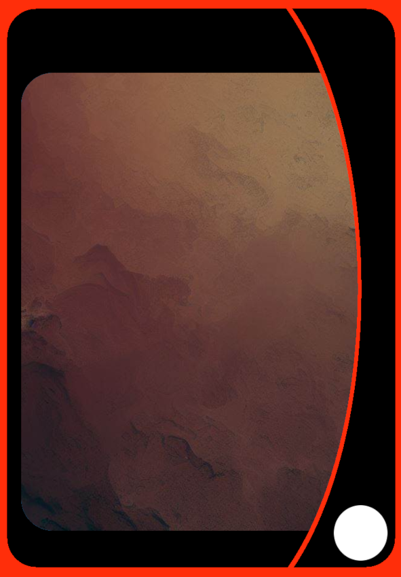
Borda externa | wallpaper interno
representa nivel | DRACO
 | INSECTA
 | GARUDA
 | FERAL
BABY | SAURUS
 | MECHA
NOVICE | OKEAN
 | SPIRITUS
ADULT | LIFA

SUPERIA

OLIMPICO

HYPERION

ASCENDED

Plan2
Starters
Monstro | Simbolo | elemento |  | big mountain with ice on top
 | ankh | Bestiallis |  | field of snow trees
 | Bagua | Gaia |  | autumn forest
 | Buddha Peace | Psy |  | spring forest
 | Dharma Wheel | Belicus |  | summer forest
Electodylon | Double Happiness | Clavis |  | winter forest
 | Earth Wheel | Draco |  | meteor crater
 | Flower of Life | Luminous |  | open field
 | Gayatri Yantra | SPIRITUS |  | field with bushes

 | Hexagram | Magus |  | palm tree
 | Lotus | Lifa |  | beach
 | Om | Troll |  | lake with cristals
 | Peace | Aqua |  | whirlpool
 | Pentagram | Umbrus |  | giant pyne
 | Spiral | Insecta |  | wonderland garden
 | Triade(Triskele) | Aero |  | cave on a forest
 | Yin | Glacius |  | castle beside a river
 | Yang | Pyro |  | indian village
 |  |  |  | mushroom village
 |  |  |  | castle ruins
 |  |  |  | cat village
 |  |  |  | hobbit hill
 |  |  |  | fish village
 |  |  |  | flower village
 |  |  |  | egg forest

 |  |  | palavras da IA
 |  |  | isometric art floating island, blizzard high quality

 |  |  | mobile game art, isometric, floating island, blizzard, high quality

 |  |  | mobile game art, isometric, high quality, highly detailed, unreal engine 5, trasparent background,

 |  |  | Full body dnd characters sheet colored with scrypt of a beautiful anthropomorphic female kitsune with fire tails, blue eyes, ear piercings

 |  |  | a watercolor painting of a very big, low-poly muscular viking waiting in the middle of a big white field on white background, super detailed, snow in the air

 |  |  | Young Tall men, Short Brown Hair, businessuite, Skyline, dramatic, black, white,grey, Bob eggleton Art, stylist

 |  |  | set of trees, game resource, mobile game art, higly detailed, unreal engine 5

 |  |  | the minimalist mountain logo resembles a triangular roof shape

